default_1
Molecule Name | P (Activity)=0) | P (Activity)=1) | Prediction (Activity) | Structure
NCGC00412678-01 | 0.97967380285 | 0.020326208323 | 0 | 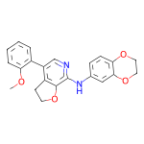
NCGC00416762-01 | 0.18710401654 | 0.81289601326 | 1 | 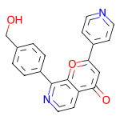
NCGC00416649-01 | 0.23234522343 | 0.76765477657 | 1 | 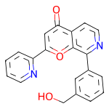
NCGC00416647-01 | 0.24166552722 | 0.75833445787 | 1 | 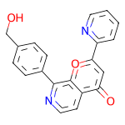
NCGC00416626-01 | 0.42330110073 | 0.57669889927 | 1 | 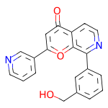
NCGC00416765-01 | 0.63927555084 | 0.36072441936 | 0 | 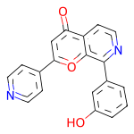
NCGC00416566-01 | 0.98904371262 | 0.010956295766 | 0 | 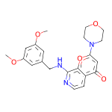
NCGC00412149-01 | 0.40323275328 | 0.59676724672 | 1 | 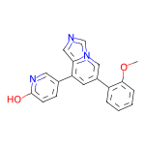
NCGC00412012-01 | 0.46362227201 | 0.53637772799 | 1 | 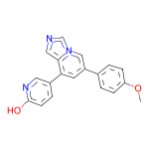
NCGC00412141-01 | 0.46362227201 | 0.53637772799 | 1 | 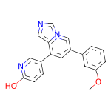
NCGC00412001-01 | 0.58330452442 | 0.41669547558 | 0 | 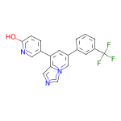
NCGC00412047-01 | 0.62445569038 | 0.37554427981 | 0 | 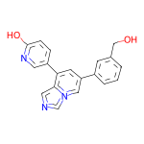
NCGC00426268-01 | 0.97974479198 | 0.020255221054 | 0 | 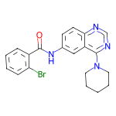
NCGC00425481-01 | 0.9862908721 | 0.013709082268 | 0 | 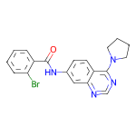
NCGC00425477-01 | 0.9862908721 | 0.013709082268 | 0 | 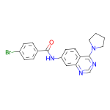
NCGC00425561-01 | 0.98674786091 | 0.013252140023 | 0 | 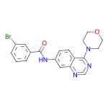
NCGC00426316-01 | 0.98706483841 | 0.012935210951 | 0 | 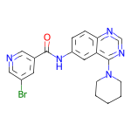
NCGC00436219-01 | 0.98850303888 | 0.011496909894 | 0 | 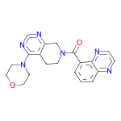
NCGC00426514-01 | 0.99037384987 | 0.0096261212602 | 0 | 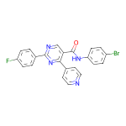
NCGC00432929-01 | 0.98839873075 | 0.01160128694 | 0 | 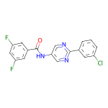
NCGC00419957-01 | 0.73790854216 | 0.26209142804 | 0 | 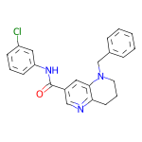
NCGC00420044-01 | 0.80157607794 | 0.19842392206 | 0 | 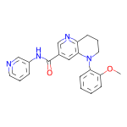
NCGC00420090-01 | 0.81141978502 | 0.18858018517 | 0 | 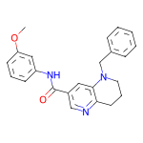
NCGC00419962-01 | 0.89947354794 | 0.10052648932 | 0 | 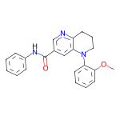
NCGC00419972-01 | 0.92206215858 | 0.077937841415 | 0 | 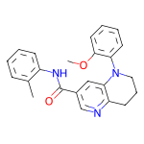
NCGC00416134-01 | 0.98919081688 | 0.010809226893 | 0 | 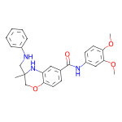
NCGC00416093-01 | 0.99019658566 | 0.0098033482209 | 0 | 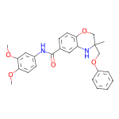
NCGC00412953-01 | 0.98560243845 | 0.014397544786 | 0 | 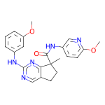
NCGC00412497-01 | 0.9883621335 | 0.011637879536 | 0 | 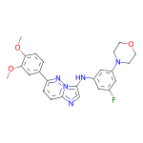
NCGC00427592-01 | 0.96992009878 | 0.030079893768 | 0 | 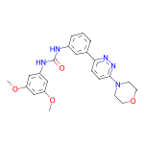
NCGC00469372-01 | 0.98605901003 | 0.01394095365 | 0 | 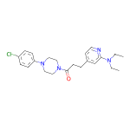
NCGC00469341-01 | 0.99037361145 | 0.0096263475716 | 0 | 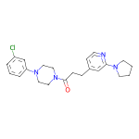
NCGC00504893-01 | 0.9857814908 | 0.014218569733 | 0 | 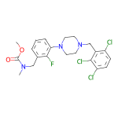
NCGC00473469-01 | 0.97429162264 | 0.025708427653 | 0 | 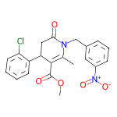
NCGC00473522-01 | 0.98386669159 | 0.016133271158 | 0 | 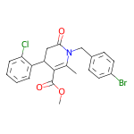
NCGC00473340-01 | 0.98869597912 | 0.011304007843 | 0 | 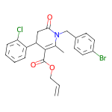
NCGC00475003-01 | 0.99060750008 | 0.0093924524263 | 0 | 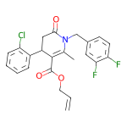
NCGC00424022-01 | 0.9840606451 | 0.01593937166 | 0 | 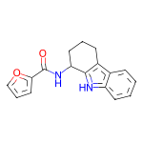
NCGC00424030-01 | 0.98997074366 | 0.010029247962 | 0 | 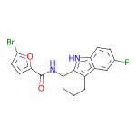
NCGC00399947-01 | 0.9811488986 | 0.018851175904 | 0 | 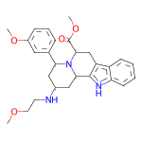
NCGC00399945-01 | 0.98474216461 | 0.015257832594 | 0 | 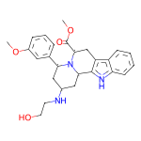
NCGC00399924-01 | 0.98817443848 | 0.011825512163 | 0 | 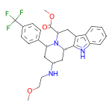
NCGC00399918-01 | 0.98943722248 | 0.010562750511 | 0 | 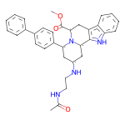
NCGC00391602-01 | 0.9900033474 | 0.0099966572598 | 0 | 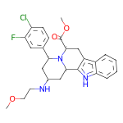
NCGC00400538-01 | 0.36452695727 | 0.63547307253 | 1 | 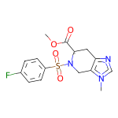
NCGC00400274-01 | 0.51733708382 | 0.48266291618 | 0 | 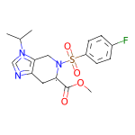
NCGC00400537-01 | 0.84479260445 | 0.15520741045 | 0 | 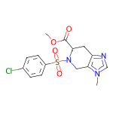
NCGC00421000-01 | 0.86845821142 | 0.13154183328 | 0 | 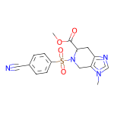
NCGC00401725-01 | 0.89265578985 | 0.10734418035 | 0 | 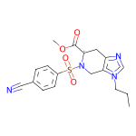
NCGC00396690-01 | 0.98674982786 | 0.013250132091 | 0 | 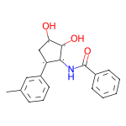
NCGC00396418-01 | 0.98715960979 | 0.01284041442 | 0 | 
NCGC00393088-01 | 0.9888510108 | 0.011149001308 | 0 | 
NCGC00396421-01 | 0.99019896984 | 0.0098010059446 | 0 | 
NCGC00393049-01 | 0.99050068855 | 0.009499325417 | 0 | 
NCGC00398174-01 | 0.98717260361 | 0.012827389874 | 0 | 
NCGC00399335-01 | 0.98722249269 | 0.012777508236 | 0 | 
NCGC00399336-01 | 0.98884892464 | 0.011151130311 | 0 | 
NCGC00396475-01 | 0.98928040266 | 0.01071963273 | 0 | 
NCGC00397986-01 | 0.90282171965 | 0.097178213298 | 0 | 
NCGC00398041-01 | 0.93150305748 | 0.068496927619 | 0 | 
NCGC00398062-01 | 0.94303125143 | 0.056968789548 | 0 | 
NCGC00398028-01 | 0.94440239668 | 0.055597577244 | 0 | 
NCGC00398868-01 | 0.95297300816 | 0.047026958317 | 0 | 
NCGC00494790-01 | 0.93853539228 | 0.061464529485 | 0 | 
NCGC00494783-01 | 0.98924177885 | 0.010758197866 | 0 | 
NCGC00431303-01 | 0.98158228397 | 0.018417730927 | 0 | 
NCGC00436189-01 | 0.98177272081 | 0.018227258697 | 0 | 
NCGC00432702-01 | 0.98944747448 | 0.010552479886 | 0 | 
NCGC00442763-01 | 0.93265616894 | 0.067343816161 | 0 | 
NCGC00440196-01 | 0.95289921761 | 0.047100804746 | 0 | 
NCGC00472444-01 | 0.98188263178 | 0.018117425963 | 0 | 
NCGC00475602-01 | 0.98493933678 | 0.015060668811 | 0 | 
NCGC00496498-01 | 0.98530316353 | 0.014696795493 | 0 | 
NCGC00451731-01 | 0.98992455006 | 0.010075476021 | 0 | 
NCGC00436907-01 | 0.94967234135 | 0.050327610224 | 0 | 
NCGC00449520-01 | 0.96175795794 | 0.038241971284 | 0 | 
NCGC00443521-01 | 0.99054259062 | 0.009457395412 | 0 | 
NCGC00505729-01 | 0.96027904749 | 0.039720904082 | 0 | 
NCGC00431198-01 | 0.97564542294 | 0.024354619905 | 0 | 
NCGC00439590-01 | 0.97435045242 | 0.025649582967 | 0 | 
NCGC00433531-01 | 0.98968058825 | 0.010319402441 | 0 | 
NCGC00426984-01 | 0.98538047075 | 0.014619523659 | 0 | 
NCGC00426956-01 | 0.98661196232 | 0.013388061896 | 0 | 
NCGC00472843-01 | 0.98333650827 | 0.016663501039 | 0 | 
NCGC00472760-01 | 0.98455703259 | 0.01544296369 | 0 | 
NCGC00472757-01 | 0.98455703259 | 0.01544296369 | 0 | 
NCGC00472672-01 | 0.98648643494 | 0.013513620012 | 0 | 
NCGC00475381-01 | 0.98407077789 | 0.015929225832 | 0 | 
NCGC00447882-01 | 0.95753979683 | 0.042460199445 | 0 | 
NCGC00395629-01 | 0.93998599052 | 0.060013994575 | 0 | 
NCGC00396518-01 | 0.98740828037 | 0.012591759674 | 0 | 
NCGC00391954-01 | 0.98961395025 | 0.010386024602 | 0 | 
NCGC00411655-01 | 0.98658621311 | 0.01341380924 | 0 | 
NCGC00411671-01 | 0.98982363939 | 0.010176331736 | 0 | 
NCGC00456898-01 | 0.97937530279 | 0.020624646917 | 0 | 
NCGC00425664-01 | 0.98081570864 | 0.019184214994 | 0 | 
NCGC00474314-01 | 0.97691321373 | 0.023086834699 | 0 | 
NCGC00473948-01 | 0.97883838415 | 0.021161578596 | 0 | 
NCGC00473910-01 | 0.98055619001 | 0.019443871453 | 0 | 
NCGC00474396-01 | 0.98263770342 | 0.017362335697 | 0 | 
NCGC00473915-01 | 0.98351085186 | 0.016489109024 | 0 | 
NCGC00473678-01 | 0.98811972141 | 0.011880232953 | 0 | 
NCGC00474458-01 | 0.98665827513 | 0.013341727667 | 0 | 
NCGC00474100-01 | 0.98790460825 | 0.012095451355 | 0 | 
NCGC00473479-01 | 0.98843902349 | 0.011561048217 | 0 | 
NCGC00475063-01 | 0.98859763145 | 0.011402304284 | 0 | 
NCGC00474287-01 | 0.98927736282 | 0.010722682811 | 0 | 
NCGC00412367-01 | 0.98403614759 | 0.015963893384 | 0 | 
NCGC00412436-01 | 0.98739558458 | 0.012604339048 | 0 | 
NCGC00417730-01 | 0.97582018375 | 0.024179758504 | 0 | 
NCGC00434040-01 | 0.97607237101 | 0.023927679285 | 0 | 
NCGC00417725-01 | 0.97987806797 | 0.02012187615 | 0 | 
NCGC00434007-01 | 0.98297333717 | 0.017026623711 | 0 | 
NCGC00392483-01 | 0.9800516367 | 0.019948408008 | 0 | 
NCGC00391556-01 | 0.99002248049 | 0.0099775251001 | 0 | 
NCGC00448272-01 | 0.9836486578 | 0.016351353377 | 0 | 
NCGC00401657-01 | 0.38511428237 | 0.61488574743 | 1 | 
NCGC00401655-01 | 0.77801680565 | 0.22198325396 | 0 | 
NCGC00421438-01 | 0.86500066519 | 0.13499930501 | 0 | 
NCGC00391000-01 | 0.91432070732 | 0.085679337382 | 0 | 
NCGC00390983-01 | 0.92215675116 | 0.077843263745 | 0 | 
NCGC00392572-01 | 0.98818200827 | 0.011817958206 | 0 | 
NCGC00424593-01 | 0.97670435905 | 0.023295667022 | 0 | 
NCGC00424603-01 | 0.98251360655 | 0.017486382276 | 0 | 
NCGC00424599-01 | 0.98554962873 | 0.014450343326 | 0 | 
NCGC00420592-01 | 0.9785284996 | 0.021471507847 | 0 | 
NCGC00494653-01 | 0.91733151674 | 0.082668483257 | 0 | 
NCGC00494659-01 | 0.98888063431 | 0.011119347997 | 0 | 
NCGC00494294-01 | 0.97774714231 | 0.022252866998 | 0 | 
NCGC00494319-01 | 0.98132759333 | 0.018672455102 | 0 | 
NCGC00494317-01 | 0.9833316803 | 0.016668274999 | 0 | 
NCGC00494285-01 | 0.98410612345 | 0.015893872827 | 0 | 
NCGC00494320-01 | 0.98711502552 | 0.012884951197 | 0 | 
NCGC00397178-01 | 0.11356209219 | 0.88643789291 | 1 | 
NCGC00397150-01 | 0.34370180964 | 0.65629822016 | 1 | 
NCGC00397155-01 | 0.34370180964 | 0.65629822016 | 1 | 
NCGC00397144-01 | 0.35660094023 | 0.64339911938 | 1 | 
NCGC00397139-01 | 0.36027276516 | 0.63972729445 | 1 | 
NCGC00393695-01 | 0.99031949043 | 0.00968056079 | 0 | 
NCGC00439488-01 | 0.98634362221 | 0.013656347059 | 0 | 
NCGC00443491-01 | 0.98538929224 | 0.014610677958 | 0 | 
NCGC00447590-01 | 0.98927140236 | 0.010728576221 | 0 | 
NCGC00414463-01 | 0.9434953928 | 0.056504651904 | 0 | 
NCGC00414447-01 | 0.98067951202 | 0.0193204768 | 0 | 
NCGC00414454-01 | 0.98483145237 | 0.015168563463 | 0 | 
NCGC00414424-01 | 0.98522263765 | 0.014777408913 | 0 | 
NCGC00455775-01 | 0.98436683416 | 0.0156331826 | 0 | 
NCGC00378160-01 | 0.88955211639 | 0.11044786125 | 0 | 
NCGC00378175-01 | 0.91612303257 | 0.083876974881 | 0 | 
NCGC00378165-01 | 0.92188149691 | 0.078118503094 | 0 | 
NCGC00375524-01 | 0.92484205961 | 0.075157888234 | 0 | 
NCGC00378154-01 | 0.92696243525 | 0.073037557304 | 0 | 
NCGC00473476-01 | 0.98923921585 | 0.010760755278 | 0 | 
NCGC00473327-01 | 0.98524701595 | 0.014753026888 | 0 | 
NCGC00473473-01 | 0.98877370358 | 0.011226258241 | 0 | 
NCGC00473448-01 | 0.98908895254 | 0.010910973884 | 0 | 
NCGC00439732-01 | 0.98990410566 | 0.010095880367 | 0 | 
NCGC00473531-01 | 0.97876918316 | 0.021230818704 | 0 | 
NCGC00473808-01 | 0.98119992018 | 0.018800018355 | 0 | 
NCGC00473860-01 | 0.98614954948 | 0.013850499876 | 0 | 
NCGC00473644-01 | 0.98723351955 | 0.012766536325 | 0 | 
NCGC00473533-01 | 0.98980927467 | 0.010190722533 | 0 | 
NCGC00480455-01 | 0.97807919979 | 0.021920828149 | 0 | 
NCGC00480460-01 | 0.98234182596 | 0.017658138648 | 0 | 
NCGC00480030-01 | 0.98245334625 | 0.017546707764 | 0 | 
NCGC00480055-01 | 0.98699587584 | 0.013004144654 | 0 | 
NCGC00458794-01 | 0.98924469948 | 0.010755316354 | 0 | 
NCGC00458710-01 | 0.98925960064 | 0.010740349069 | 0 | 
NCGC00424994-01 | 0.98781186342 | 0.012188086286 | 0 | 
NCGC00432326-01 | 0.98959010839 | 0.010409895331 | 0 | 
NCGC00429937-01 | 0.98863947392 | 0.011360530742 | 0 | 
NCGC00475118-01 | 0.96997076273 | 0.030029240996 | 0 | 
NCGC00473529-01 | 0.98234403133 | 0.017656005919 | 0 | 
NCGC00473379-01 | 0.98814022541 | 0.011859824881 | 0 | 
NCGC00474341-01 | 0.96329367161 | 0.036706373096 | 0 | 
NCGC00438179-01 | 0.95704907179 | 0.042950864881 | 0 | 
NCGC00436653-01 | 0.97493129969 | 0.025068767369 | 0 | 
NCGC00429621-01 | 0.97856402397 | 0.021435940638 | 0 | 
NCGC00438533-01 | 0.98539042473 | 0.014609524049 | 0 | 
NCGC00437141-01 | 0.98970007896 | 0.01029986795 | 0 | 
NCGC00438079-01 | 0.98051917553 | 0.019480898976 | 0 | 
NCGC00396123-01 | 0.98991078138 | 0.010089191608 | 0 | 
NCGC00391941-01 | 0.98953163624 | 0.010468340479 | 0 | 
NCGC00445353-01 | 0.98611199856 | 0.013888076879 | 0 | 
NCGC00445355-01 | 0.98999154568 | 0.010008457117 | 0 | 
NCGC00449715-01 | 0.97650581598 | 0.023494198918 | 0 | 
NCGC00449742-01 | 0.98310279846 | 0.016897201538 | 0 | 
NCGC00454384-01 | 0.98511469364 | 0.014885294251 | 0 | 
NCGC00437241-01 | 0.99041980505 | 0.0095802163705 | 0 | 
NCGC00375980-01 | 0.99030834436 | 0.0096915876493 | 0 | 
NCGC00423254-01 | 0.9721481204 | 0.027851898223 | 0 | 
NCGC00424748-01 | 0.98235666752 | 0.017643323168 | 0 | 
NCGC00423155-01 | 0.98534840345 | 0.014651617035 | 0 | 
NCGC00397932-01 | 0.80968511105 | 0.19031494856 | 0 | 
NCGC00391808-01 | 0.90468806028 | 0.095311872661 | 0 | 
NCGC00397688-01 | 0.92447543144 | 0.075524590909 | 0 | 
NCGC00401301-01 | 0.93667179346 | 0.063328236341 | 0 | 
NCGC00391799-01 | 0.95232057571 | 0.047679495066 | 0 | 
NCGC00391832-01 | 0.97969073057 | 0.020309258252 | 0 | 
NCGC00391214-01 | 0.98747080564 | 0.012529183179 | 0 | 
NCGC00391851-01 | 0.98827284575 | 0.011727140285 | 0 | 
NCGC00391826-01 | 0.98831790686 | 0.011682098731 | 0 | 
NCGC00395181-01 | 0.97289747 | 0.027102559805 | 0 | 
NCGC00391516-01 | 0.97576808929 | 0.024231953546 | 0 | 
NCGC00396166-01 | 0.976980865 | 0.023019101471 | 0 | 
NCGC00399590-01 | 0.97995650768 | 0.02004352212 | 0 | 
NCGC00398371-01 | 0.98352241516 | 0.016477655619 | 0 | 
NCGC00432185-01 | 0.98944491148 | 0.010555069894 | 0 | 
NCGC00450196-01 | 0.97873300314 | 0.021267045289 | 0 | 
NCGC00429558-01 | 0.98398059607 | 0.016019364819 | 0 | 
NCGC00429554-01 | 0.98489016294 | 0.015109772794 | 0 | 
NCGC00429550-01 | 0.98765414953 | 0.012345788069 | 0 | 
NCGC00416804-01 | 0.98251593113 | 0.017484039068 | 0 | 
NCGC00416922-01 | 0.98450547457 | 0.01549450215 | 0 | 
NCGC00416884-01 | 0.98696893454 | 0.013031120412 | 0 | 
NCGC00416789-01 | 0.98870366812 | 0.011296271347 | 0 | 
NCGC00416903-01 | 0.99009168148 | 0.0099083213136 | 0 | 
NCGC00394320-01 | 0.91416782141 | 0.085832186043 | 0 | 
NCGC00391266-01 | 0.95360547304 | 0.046394556761 | 0 | 
NCGC00394225-01 | 0.96892154217 | 0.031078489497 | 0 | 
NCGC00392475-01 | 0.98361235857 | 0.016387684271 | 0 | 
NCGC00378215-01 | 0.983268857 | 0.01673110202 | 0 | 
NCGC00444625-01 | 0.98901236057 | 0.010987658054 | 0 | 
NCGC00434933-01 | 0.9885866046 | 0.011413468979 | 0 | 
NCGC00479855-01 | 0.98895800114 | 0.011042002589 | 0 | 
NCGC00442455-01 | 0.98962879181 | 0.010371190496 | 0 | 
NCGC00422007-01 | 0.98969590664 | 0.010304062627 | 0 | 
NCGC00375640-01 | 0.96791881323 | 0.03208110854 | 0 | 
NCGC00445750-01 | 0.99059009552 | 0.0094099268317 | 0 | 
NCGC00464338-01 | 0.97974509001 | 0.020254923031 | 0 | 
NCGC00397145-01 | 0.37566545606 | 0.62433457375 | 1 | 
NCGC00397132-01 | 0.44412094355 | 0.55587905645 | 1 | 
NCGC00397163-01 | 0.4534932673 | 0.5465067625 | 1 | 
NCGC00397184-01 | 0.47468623519 | 0.52531379461 | 1 | 
NCGC00397127-01 | 0.56470257044 | 0.43529745936 | 0 | 
NCGC00397162-01 | 0.59693056345 | 0.40306946635 | 0 | 
NCGC00397191-01 | 0.61611896753 | 0.38388097286 | 0 | 
NCGC00397190-01 | 0.63269966841 | 0.36730030179 | 0 | 
NCGC00416759-01 | 0.64708131552 | 0.35291874409 | 0 | 
NCGC00416691-01 | 0.65945357084 | 0.34054642916 | 0 | 
NCGC00416763-01 | 0.67156004906 | 0.32843992114 | 0 | 
NCGC00397174-01 | 0.67706406116 | 0.32293593884 | 0 | 
NCGC00397180-01 | 0.68595331907 | 0.31404671073 | 0 | 
NCGC00397149-01 | 0.69015645981 | 0.30984356999 | 0 | 
NCGC00397185-01 | 0.69171786308 | 0.30828216672 | 0 | 
NCGC00397151-01 | 0.70279330015 | 0.29720667005 | 0 | 
NCGC00412045-01 | 0.71960771084 | 0.28039231896 | 0 | 
NCGC00416641-01 | 0.72273862362 | 0.27726140618 | 0 | 
NCGC00412014-01 | 0.73205542564 | 0.26794454455 | 0 | 
NCGC00412030-01 | 0.74270474911 | 0.25729528069 | 0 | 
NCGC00416639-01 | 0.74383115768 | 0.25616884232 | 0 | 
NCGC00416755-01 | 0.74422591925 | 0.25577411056 | 0 | 
NCGC00416617-01 | 0.75278347731 | 0.24721647799 | 0 | 
NCGC00397131-01 | 0.7637258172 | 0.23627413809 | 0 | 
NCGC00412162-01 | 0.76605391502 | 0.23394611478 | 0 | 
NCGC00416760-01 | 0.77348572016 | 0.22651426494 | 0 | 

